PC&Permit Fees
ENGINEERING DIVISION |  |  |  |  | Project Data:
ESTIMATED* PLAN CHECK SUBMITTAL and PERMIT FEES
DIRECTIONS: Locate plan type heading (Grading, Improvement, etc.) below. Follow fee description row across, filling in blanks as directed - TOTAL is shown in yellow column. PLAN CHECK & INSPECTION FEE TOTALS SUBJECT TO ADDITIONAL CHARGES AS WARRANTED |  |  |  |  | ESTIMATED*- PERMIT & SECURITY FEES
GRADING - Based on combined cubic yardage of cut and fill. If improvements are to be constructed from Grading Plans, fill in PUBLIC WORKS IMPROVEMENT PLANS below. | ADMN. FEE | Minimum PLAN CHECK FEE | Enter Total Cubic Yards (Cut & Fill) Below | GRADING PLAN CHECK TOTAL | GRADING - PERMIT FEE & SECURITY
 |  |  |  |  | ADMN. FEE | TOTAL Estimated Grading PERMIT FEE ( includes admn fee) | Estimated Grading Security CASH DEPOSIT Amount** | Estimated Grading Security BOND or LETTER OF CREDIT Amount **

Refer to Schedule 'G'. Pay the Deposit amount based on Cubic Yards.
100 Cubic Yards or Less (combined cut & fill) | 200.00 | 220.00 |  | $0.00 | 200.00 | $0.00 | $0.00 | n/a
101 - 1000 Cubic Yards (combined cut & fill) | 200.00 | 220.00 |  |  | 200.00 | $0.00 | $0.00 | n/a
1001 - 10,000 Cubic Yards (combined cut & fill) | 200.00 | 670.00 |  | $0.00 | 200.00 | $0.00 | $0.00 | $0.00
10,001 - 100,000 Cubic Yards (combined cut & fill) | 200.00 | 1,120.00 |  | $0.00 | 200.00 | $0.00 | $0.00 | $0.00
100,001 - 400,000 Cubic Yards (combined cut & fill) | 200.00 | 2,830.00 |  | $0.00 | 200.00 | $0.00 | $0.00 | $0.00
Over 400,000 Cubic Yards (combined cut & fill) *** | 200.00 | 6,130.00 |  | $0.00 | 200.00 | $0.00 | $0.00 | $0.00
GRADING PLANS - REVISED | ADMN | Min PLAN CHECK FEE | Enter # of Sheets REVISED |  | *** SECURITY 1,000,001 cubic yards or greater |  | $0.00 | $0.00
Revised Grading Plans | 200.00 | 450.00 |  | $0.00

PUBLIC WORKS IMPROVEMENT PLANS - Based on per sheet charge & Engineer's Estimate. Completed Engineer's Cost Estimate must be included with Plan Check Submittal. |  |  |  |  | IMPROVEMENT - PERMIT FEE & SECURITY
 | ADMN. FEE | Enter # of Plan Sheets Below | Enter Total of Engineer's Estimate Below | IMPROVEMENT PLAN CHECK TOTAL | ADMN. FEE | TOTAL Estimated Encroachment Permit Fee (includes admn fee) | Estimated Improvement Security | COMMENTS
0 - $50,000. | 200.00 |  | 10,000.00 | 650.00 | 100.00 | $750.00 | $10,000.00 | Post both faithful performance and material and labor bond, each equal to 100% of Engineer's Cost Estimate.
$50,000 - $300,000 | 200.00 |  |  | 0.00 | 100.00 | $0.00 | $0.00
$300,000 - $700,000 | 200.00 |  |  | 0.00 | 100.00 | $0.00 | $0.00
$700,000 - $1,000,000 | 200.00 |  |  | 0.00 | 100.00 | $0.00 | $0.00
$1,000,000 and greater | 200.00 |  |  | 0.00 | 100.00 | $0.00 | $0.00
Revised or Redesigned Public Works Impvt Plans | 200.00 |  |  | 0.00
COMBINATION PLANS: If the grading plans include Hardscape Improvements (curb, gutter, sidewalk, driveway cut, striping, storm drain, etc.) onsite and/or offsite to be constructed from the Grading Plan, FILL IN BOTH the Grading and Public Works Improvement Plans sections above. See TOTAL Plan Check Fee below |  |  |  |  | Post Security equal to 100% of the cost of work. SUBDIVISION SECURITY: Faithful Performance & Material and Labor bond, each equal to 100% of cost of work; ALL OTHERS - Security equal to 100% of cost of work with a minimum of 10% posted in CASH with the balance in the form of a bond or letter of credit.

Total COMBINED Plan Check Fee |  |  | $0.00

DIRECTIONS:
Locate Plan Type below.
Follow Plan Type row across the page filling in blanks as directed- Total shown in last column.
NON-SUBDIVISION SINGLE FAMILY RESIDENTIAL
GRADING | ADMN. FEE | Enter Total Cubic Yards (Cut & Fill) Below |  | GRADING PLAN CHECK TOTAL | ADMN. FEE | Estimated Grading Permit Fee (includes admn fee) | Estimated Grading Security** | COMMENTS

Refer to Schedule 'G'. Pay the Deposit amount based on Cubic Yards.
100-1000 Cubic Yards or Less (combined cut & fill) | 200.00 | 110 |  | $500.30 | 200.00 | $240.00 | $500.00 | Minimum - Cash only

IMPROVEMENTS (curb, gutter, driveway approach, sidewalk, street, etc.) | ADMN. FEE | Enter total $ from Engineer's Estimate below |  | IMPROVEMENT PLAN CHECK TOTAL | ADMN. FEE | * Estimated Encroachment PERMIT Fee | Estimated Improvement SECURITY | COMMENTS
Public Works Improvement Plans - Based on Engineer's Estimate | 100.00 |  |  | 0.00 | 100.00 | $0.00 | $0 | Post both faithful performance & material and labor bond, each equal to 100% of cost estimate
COMBINED PLANS If the Grading Plans include Hardscape Improvements (curb, gutter, sidewalk, driveway cut, striping, etc.) onsite and/or offsite to be constructed from the Grading Plan, FILL in BOTH the Grading and Improvements sections above. TOTAL COMBINED Plan Check Fee is shown below |  |  |  |  | * See ENCROACHMENT PERMIT below for permit calculations when an engineer's estimate is not available.
Total COMBINED Plan Check Fee |  |  | $500.30

DIRECTIONS:
Locate Plan Type below.
Follow Plan Type row across the page filling in blanks as directed- Total shown in last column.
MAP - NEW / CHANGES
 | ADMN. | Minimum PLAN CHECK | Enter # of Lots Below | PLAN CHECK TOTAL | **GRADING SECURITY NOTES:
 |  |  |  |  | 50 - 2000 Cubic Yards: $500.00 cash deposit
LOT LINE ADJUSTMENT | 100.00 | 400.00 |  | 0.00 | 2000 - 3000 Cubic Yards: ([CY-1000] x 2) +1000 x 0.2
CERTIFICATE OF COMPLIANCE | 100.00 | 450.00 |  | 0.00 | 3000 - 500,000 Cubic Yards: ([CY-1000] x 2) +1000 x 0.2 - Bond/Letter of Credit amount is 80% of TOTAL SECURITY amount calculated below. Cash deposit is 20% of total security amount. Minimum amount is $500.00
PARCEL MERGER | 100.00 | 400.00 |  | 0.00
STREET ABANDONMENT/VACATION | 100.00 | 1,100.00 |  | 0.00
CERTIFICATE OF CORRECTION | 100.00 | 450.00 |  | 0.00 | 500,001 - 1,000,000 Cubic Yards: ([CY-1000] x 2) +1000 x 0.2 Bond/Letter of Credit amount is 85% of TOTAL SECURITY amount calculated below. Cash deposit is 15% of total security amount.
FINAL MAP (TRACT) | 200.00 | 1,700.00 |  | 0.00
PARCEL MAP | 200.00 | 1,600.00 |  | 0.00
REDESIGNED TRACT/PARCEL MAPS IN PROCESS | 200.00 | 450.00 |  | 0.00 | 1,000,001 or greater Cubic Yards: ([CY-1000] x 2) +1000 x 0.2 Bond/Letter of Credit amount is 90% of TOTAL SECURITY amount calculated below. Cash deposit is 10% of total security amount
REVISED APPROVED TRACT/PARCEL MAPS | 200.00 | 450.00 |  | 0.00
EASEMENT DEDICATION / QUITCLAIM ** | 100.00 | 440.00 |  | 0.00
OTHER PLAN CHECKS
 | ADMN. | Minimum PLAN CHECK | # OF DOCUMENTS SUBMITTED FOR REVIEW | TOTAL | * Estimates based on data provided or available at the time estimate prepared and are subject to change based on the outcome of the plan check, changes in fee schedule or error.
Storm Water Pollution Prevention Plan (SWPPP) Review | 100.00 | 1,750.00 |  | 0.00
Water Quality Management Plan (WQMP) Review | 100.00 | 1,750.00 |  | $0.00
** ANY APPLICATIONS NOT COVERED BY FEES | Actual Cost Plus 40%

ENCROACHMENT PERMITS

IMPROVEMENTS in RIGHT OF WAY - WHEN Engineer's Estimate is not available (i.e. over the counter permits for curb, gutter, driveway approach, sidewalk, street, etc.) | DIRECTIONS: Locate Plan Type below. Follow Plan Type row across the page filling in blanks as directed- Total shown in last column.
 | BASE FEE | FEE UNIT | FEE RATE | Enter Quantity Below | Estimated Inspection Deposit |  | Estimated improvement Security
DRIVEWAY - RESIDENTIAL | 0.00 | EA | 110.00 |  | 0.00 |  | Post Security equal to 100% of the cost of work. SUBDIVISON SECURITY: faithful performance & material and labor bond, each equal to 100% of cost of work; ALL OTHERS - Security equal to 100% of PERMIT INSPECTION DEPOSIT with a minimum of 10% posted in CASH with the balance in the form of a bond or letter of credit.
DRIVEWAY - COMMERCIAL | 0.00 | EA | 110.00 |  | 0.00
CATCH BASINS | 0.00 | EA | 110.00 |  | 0.00
CURB and GUTTER | 110.00 | Per Linear Ft | 0.70 |  | 0.00
SIDEWALK | 110.00 | Per Linear Ft | 0.70 |  | 0.00
PAVING | 100.00 | Per Linear Ft | 0.70 |  | 0.00
ONE TIME INSPECTION | 110.00 | EA | 0.00 |  | 0.00
ROAD/LANE CLOSURE | 110.00 | EA | 0.00 |  | 0.00
 | TOTAL ESTIMATED INSPECTION DEPOSIT |  |  |  | 0.00
$100.00 ADMINISTRATION FEE CHARGED PER PERMIT |  |  |  |  | $100.00
 | TOTAL ESTIMATE PERMIT FEE DUE |  |  |  | 0.00

UTILITIES - work in RIGHT OF WAY | DIRECTIONS: Locate Plan Type below. Follow Plan Type row across the page filling in blanks as directed- Total shown in last column.
 | BASE FEE | FEE UNIT | FEE RATE | Enter Quantity Below | Estimated Inspection Deposit Security not required of public utilities
TRENCH - LESS THAN 200 LINEAR FEET | 325.00 | Per Linear Ft | 0.55 |  | 0.00
TRENCH - 200 - 1000 LINEAR FEET | 550.00 | Per Linear Ft | 0.45 |  | 0.00
TRENCH - OVER 1000 LINEAR FEET | 675.00 | Per Linear Ft | 0.35 |  | 0.00
ROAD/LANE CLOSURE | 110.00 | Each Lane |  |  | 0.00
TRAFFIC CONTROL PLAN CHECK - job less than 3 days |  | Per hr | 120.00 |  | 0.00
TRAFFIC CONTROL PLAN CHECK - job longer than 3 days | 450.00 | per sheet | 0.00 |  | 0.00
ONE TIME INSPECTION - i.e. potholes, bellholes, splice pits, etc. | 110.00 | EA | 110.00 |  | 0.00
 | TOTAL ESTIMATED INSPECTION DEPOSIT |  |  |  | 0.00
$100.00 ADMINISTRATION FEE CHARGED PER PERMIT |  |  |  |  | $100.00
 | TOTAL ESTIMATE PERMIT FEE DUE |  |  |  | 0.00

K-Rat Map
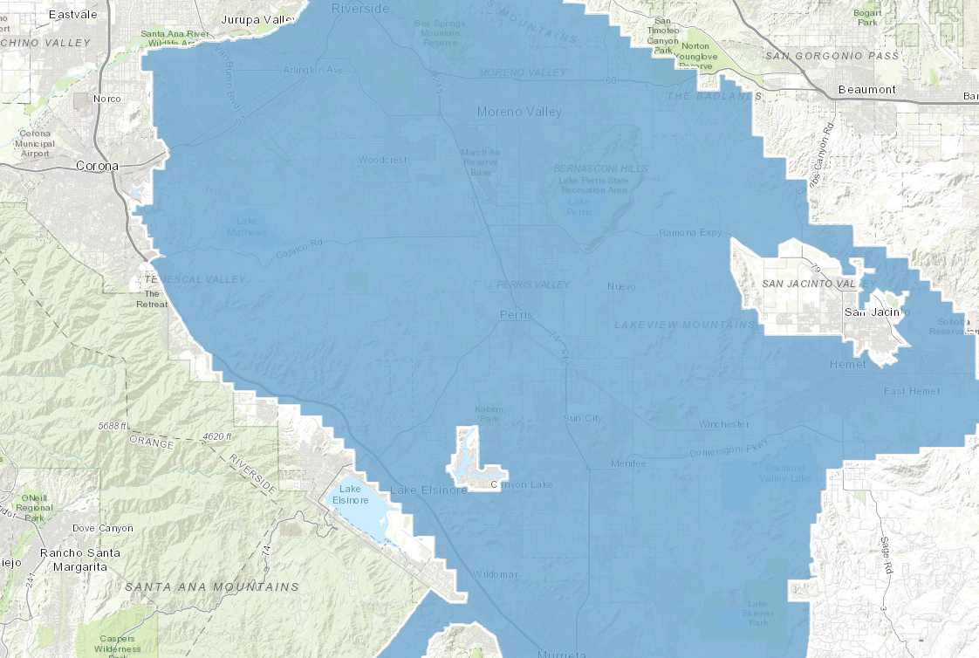

Stephen's Kangaroo Rat Plan and Fee Area | Stephen's Kangaroo Rat Plan and Fee Area | Riverside County Mapping and Spatial Data Portal (arcgis.com)

Drainage Fee Map
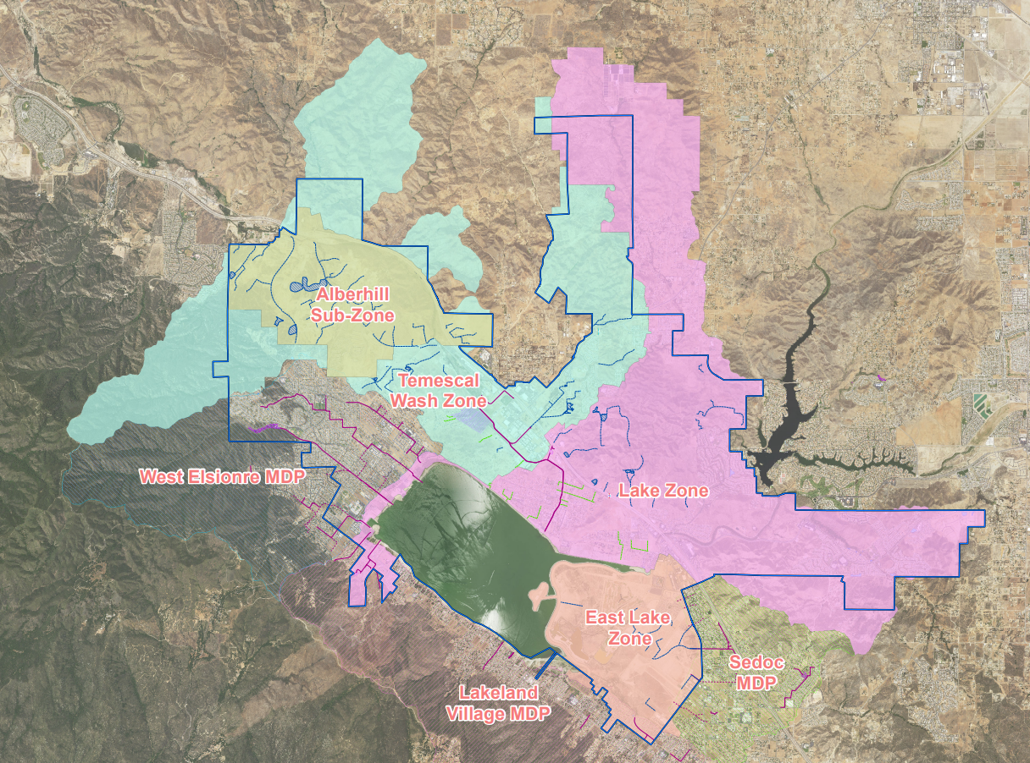

TUMF Fee Schedule
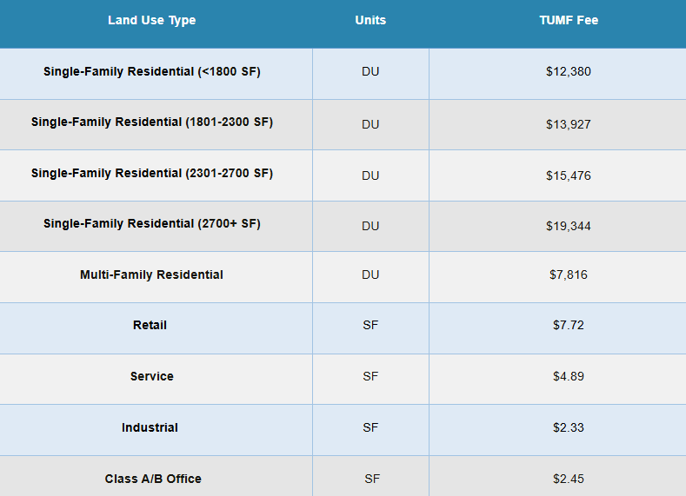

Fee Levels - 2016 Nexus Update as adopted July 10, 2017*
Land Use Type
Units
Fee Per Unit
Single Family Residential
DU
8,873$
Multi Family Residential
DU
$6,134
Industrial
SF GFA
$1.77
Retail**
SF GFA
$7.50
Service
SF GFA
$4.56
Class A & B Office***
SF GFA
2.19$ | WRCOG Portal: | https://westernriversidecogca.portal.opengov.com/
Notes:
 | Subbmital Guide: | https://wrcog.us/DocumentCenter/View/9008/TUMF-Collection-Policy

